HW 2
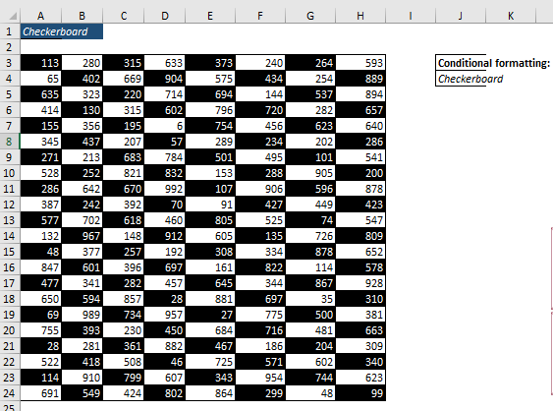
CHECKER BOARD
CONDITIONAL FORMATTING |  |  |  |  |  |  |  | =ROW()+COLUMN() |  |  |  |  |  |  |  | =ISODD(ROW()+COLUMN())
643 | 528 | 604 | 612 | 766 | 213 | 138 | 546 | 14 | 15 | 16 | 17 | 18 | 19 | 20 | 21 | TRUE | FALSE | TRUE | FALSE | TRUE | FALSE | TRUE | FALSE
386 | 62 | 539 | 490 | 484 | 148 | 278 | 891 | 15 | 16 | 17 | 18 | 19 | 20 | 21 | 22 | FALSE | TRUE | FALSE | TRUE | FALSE | TRUE | FALSE | TRUE
581 | 142 | 615 | 739 | 259 | 260 | 629 | 497 | 16 | 17 | 18 | 19 | 20 | 21 | 22 | 23 | TRUE | FALSE | TRUE | FALSE | TRUE | FALSE | TRUE | FALSE
364 | 836 | 333 | 416 | 564 | 655 | 677 | 851 | 17 | 18 | 19 | 20 | 21 | 22 | 23 | 24 | FALSE | TRUE | FALSE | TRUE | FALSE | TRUE | FALSE | TRUE
153 | 842 | 399 | 588 | 234 | 307 | 299 | 778 | 18 | 19 | 20 | 21 | 22 | 23 | 24 | 25 | TRUE | FALSE | TRUE | FALSE | TRUE | FALSE | TRUE | FALSE
509 | 873 | 899 | 864 | 659 | 72 | 103 | 423 | 19 | 20 | 21 | 22 | 23 | 24 | 25 | 26 | FALSE | TRUE | FALSE | TRUE | FALSE | TRUE | FALSE | TRUE
113 | 206 | 877 | 630 | 369 | 688 | 497 | 128 | 20 | 21 | 22 | 23 | 24 | 25 | 26 | 27 | TRUE | FALSE | TRUE | FALSE | TRUE | FALSE | TRUE | FALSE
353 | 100 | 497 | 351 | 528 | 492 | 747 | 384 | 21 | 22 | 23 | 24 | 25 | 26 | 27 | 28 | FALSE | TRUE | FALSE | TRUE | FALSE | TRUE | FALSE | TRUE
162 | 430 | 249 | 850 | 438 | 99 | 535 | 787 | 22 | 23 | 24 | 25 | 26 | 27 | 28 | 29 | TRUE | FALSE | TRUE | FALSE | TRUE | FALSE | TRUE | FALSE
683 | 168 | 886 | 730 | 487 | 558 | 271 | 355 | 23 | 24 | 25 | 26 | 27 | 28 | 29 | 30 | FALSE | TRUE | FALSE | TRUE | FALSE | TRUE | FALSE | TRUE
886 | 785 | 274 | 341 | 384 | 147 | 553 | 187 | 24 | 25 | 26 | 27 | 28 | 29 | 30 | 31 | TRUE | FALSE | TRUE | FALSE | TRUE | FALSE | TRUE | FALSE
198 | 265 | 899 | 666 | 492 | 126 | 466 | 643 | 25 | 26 | 27 | 28 | 29 | 30 | 31 | 32 | FALSE | TRUE | FALSE | TRUE | FALSE | TRUE | FALSE | TRUE
892 | 511 | 324 | 536 | 667 | 533 | 416 | 794 | 26 | 27 | 28 | 29 | 30 | 31 | 32 | 33 | TRUE | FALSE | TRUE | FALSE | TRUE | FALSE | TRUE | FALSE
883 | 56 | 690 | 385 | 352 | 830 | 697 | 162 | 27 | 28 | 29 | 30 | 31 | 32 | 33 | 34 | FALSE | TRUE | FALSE | TRUE | FALSE | TRUE | FALSE | TRUE
183 | 432 | 229 | 441 | 830 | 70 | 771 | 881 | 28 | 29 | 30 | 31 | 32 | 33 | 34 | 35 | TRUE | FALSE | TRUE | FALSE | TRUE | FALSE | TRUE | FALSE
332 | 674 | 874 | 683 | 662 | 219 | 133 | 517 | 29 | 30 | 31 | 32 | 33 | 34 | 35 | 36 | FALSE | TRUE | FALSE | TRUE | FALSE | TRUE | FALSE | TRUE
664 | 489 | 134 | 69 | 137 | 214 | 120 | 762 | 30 | 31 | 32 | 33 | 34 | 35 | 36 | 37 | TRUE | FALSE | TRUE | FALSE | TRUE | FALSE | TRUE | FALSE
172 | 248 | 614 | 460 | 848 | 806 | 434 | 343 | 31 | 32 | 33 | 34 | 35 | 36 | 37 | 38 | FALSE | TRUE | FALSE | TRUE | FALSE | TRUE | FALSE | TRUE
343 | 228 | 418 | 144 | 721 | 705 | 582 | 421 | 32 | 33 | 34 | 35 | 36 | 37 | 38 | 39 | TRUE | FALSE | TRUE | FALSE | TRUE | FALSE | TRUE | FALSE
862 | 187 | 730 | 243 | 271 | 828 | 362 | 220 | 33 | 34 | 35 | 36 | 37 | 38 | 39 | 40 | FALSE | TRUE | FALSE | TRUE | FALSE | TRUE | FALSE | TRUE
136 | 297 | 864 | 614 | 92 | 374 | 748 | 193 | 34 | 35 | 36 | 37 | 38 | 39 | 40 | 41 | TRUE | FALSE | TRUE | FALSE | TRUE | FALSE | TRUE | FALSE
632 | 251 | 502 | 736 | 278 | 308 | 188 | 261 | 35 | 36 | 37 | 38 | 39 | 40 | 41 | 42 | FALSE | TRUE | FALSE | TRUE | FALSE | TRUE | FALSE | TRUE

 | To make this: Go to Select Data (B3:I24)>>Conditional Formatting>>New Rule>>Selecta Rule Type>>Use a formula to determine which cells to format>> Use Formula: =ISODD(ROW()+COLUMN()) Or,=MOD(ROW()+COLUMN(),2)=1 Click on Format…>>Change Font color is White & Fill color is Black>> Apply.

HW 3
ALTERNATE ROW FORMATTING |  |  |  |  | =ROW() |  |  |  | =ISEVEN(ROW())
414 | 418 | 136 | 393 |  | 3 | 3 | 3 | 3 | FALSE | FALSE | FALSE | FALSE
284 | 287 | 675 | 355 |  | 4 | 4 | 4 | 4 | TRUE | TRUE | TRUE | TRUE
736 | 232 | 303 | 310 |  | 5 | 5 | 5 | 5 | FALSE | FALSE | FALSE | FALSE
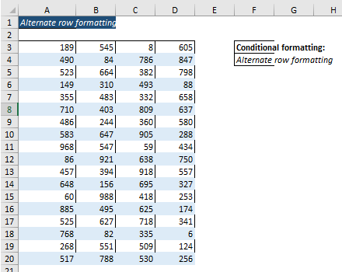
259 | 736 | 607 | 475 |  | 6 | 6 | 6 | 6 | TRUE | TRUE | TRUE | TRUE
294 | 768 | 785 | 79 |  | 7 | 7 | 7 | 7 | FALSE | FALSE | FALSE | FALSE
424 | 180 | 299 | 770 |  | 8 | 8 | 8 | 8 | TRUE | TRUE | TRUE | TRUE
374 | 192 | 94 | 218 |  | 9 | 9 | 9 | 9 | FALSE | FALSE | FALSE | FALSE
485 | 486 | 796 | 678 |  | 10 | 10 | 10 | 10 | TRUE | TRUE | TRUE | TRUE
478 | 387 | 549 | 697 |  | 11 | 11 | 11 | 11 | FALSE | FALSE | FALSE | FALSE
792 | 422 | 459 | 12 |  | 12 | 12 | 12 | 12 | TRUE | TRUE | TRUE | TRUE
153 | 759 | 305 | 308 |  | 13 | 13 | 13 | 13 | FALSE | FALSE | FALSE | FALSE
611 | 105 | 409 | 436 |  | 14 | 14 | 14 | 14 | TRUE | TRUE | TRUE | TRUE
436 | 266 | 613 | 86 |  | 15 | 15 | 15 | 15 | FALSE | FALSE | FALSE | FALSE
505 | 287 | 297 | 503 |  | 16 | 16 | 16 | 16 | TRUE | TRUE | TRUE | TRUE
420 | 679 | 718 | 403 |  | 17 | 17 | 17 | 17 | FALSE | FALSE | FALSE | FALSE
633 | 97 | 670 | 429 |  | 18 | 18 | 18 | 18 | TRUE | TRUE | TRUE | TRUE
204 | 705 | 64 | 95 |  | 19 | 19 | 19 | 19 | FALSE | FALSE | FALSE | FALSE
349 | 347 | 151 | 322 |  | 20 | 20 | 20 | 20 | TRUE | TRUE | TRUE | TRUE

 |  |  |  | To make this: Go to Select Data (B3:E20)>>Conditional Formatting>>New Rule>>Selecta Rule Type>>Use a formula to determine which cells to format>> Use Formula: =ISEVEN(ROW()) Or,=MOD(ROW(),2)=0 Click on Format…>>Change Border is None & Fill color is Light Blue(AsYour Choice)>> Apply.

HW 5
Number Formating

Unformatted | Formatted | Type
1200 |  | Currency
0.231 |  | Percentage
2008-02-03 |  | Short Date
2008-02-03 |  | Long Date
123439832 |  | Accounting
5559832 |  | Phone Number
434988723 |  | Social Security Number
0.552 |  | Time
0.25 |  | Fraction
12332354090 |  | Scientific
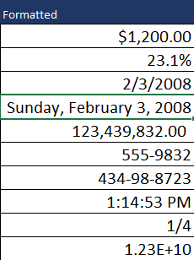
Solution
Unformatted | Formatted | Type | Explanation(Type)
1200 | $1,200.00 | Currency | "$"#,##0.00
0.231 | 23.1% | Percentage | 0.0%
2008-02-03 | 2/3/2008 | Short Date | m/d/yyyy
2008-02-03 | 2008-02-03 | Long Date | dddd, mmmm d, yyyy
123439832 | 123,439,832.00 | Accounting | #,##0.00
5559832 | 5559832 | Phone Number | 000-0000
434988723 | 434988723 | Social Security Number | 000-00-0000
0.552 | 13:14:53 | Time | h.mm.ss AM/PM
0.25 | 0.25 | Fraction | # ?/?
12332354090 | 1.23E+10 | Scientific | 0.00E+00

HW 7
Convert the Seconds in Hour and Minutes Formats

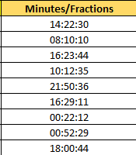
Seconds | Minutes/Fractions
224550
202210
231824
123155
165036
145751
174132
175949
151244
Solution
Seconds | Minutes/Fractions
224550 | 1900-01-02 14:22:30
202210 | 1900-01-02 08:10:10 | We know that 1 day=24 hrs.,1hr.=60 min.and 1min.=60 sec.So Convert Seconds to Day Use Formula: =Seconds/(24*60*60) **Note: Excel Time is Fraction Of DAY Then Format Cells As hh:mm:ss
231824 | 1900-01-02 16:23:44
123155 | 1900-01-01 10:12:35
165036 | 1900-01-01 21:50:36
145751 | 1900-01-01 16:29:11
174132 | 1900-01-02 00:22:12
175949 | 1900-01-02 00:52:29
151244 | 1900-01-01 18:00:44

